Test Cases - Funtional
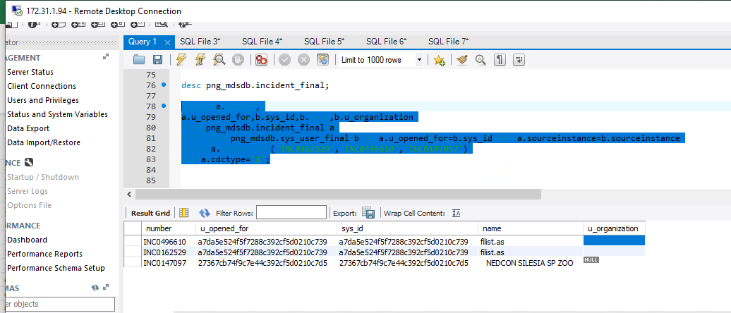
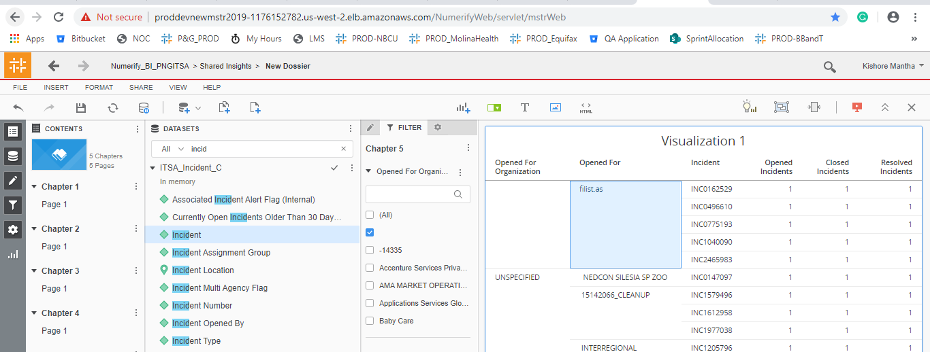
INDEX

TC_No | Test Case | Test Description | Expected Result | Actual Result | Result | Defect JIRA # | Comments
1 | DELV-19480 | P&G - Add Org attribute from Users cube directly to ITSA_Incident_C. Shantal Dubois of P&G would like to add Org attribute from the Users cube the ITSA_Incident_C cube due to slow response time when she simply joins the two tables. She is using Org as a filter and the existing Department attribute does not provide the level of filtering she requires. | To all the Opened for Person's Org to the 'ITSA_Incident_c' cube. In the Users cube, Org attribute data sourcing from d_internal_contact table, and it is a simple select statement from the table, in the Users cube we will get all the Organizations available in the d_internal_contact table. When we add same in the ITSA_Incident_C cube, we don’t get all the organizations into the cube, we get organization only related incidents available in the cube. Also, can you please confirm, is user is looking to see the Assigned To related Org's in the Incident cube or is there any other type of analysis purpose user is asking this attribute? Can you also provide me with a link to the dashboard you are requesting this for? Responce: I am looking for the Opened for person’s Org, not the assigned to person’s org. At this moment that is the only use for Org, but there may be others in the future. | Opened For Org attribute should be added to the 'ITSA_Incident_c' cube and verify the blending with the User cube.

 |  | Source Query for the Sample Validation
 | Select a.number, a.u_opened_for,b.sys_id,b.name,b.u_organization FROM png_mdsdb.incident_final a LEFT JOIN png_mdsdb.sys_user_final b ON a.u_opened_for=b.sys_id AND a.sourceinstance=b.sourceinstance Where a.number IN ('INC1299011','INC1369437') AND a.cdctype='X';

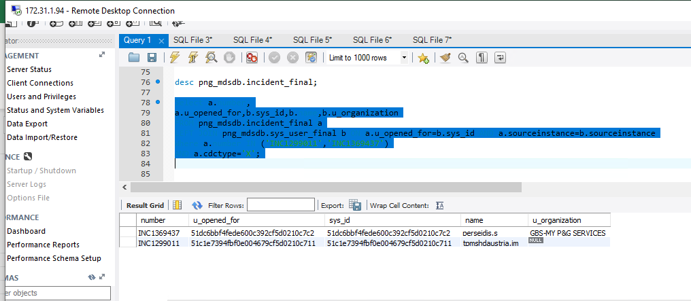
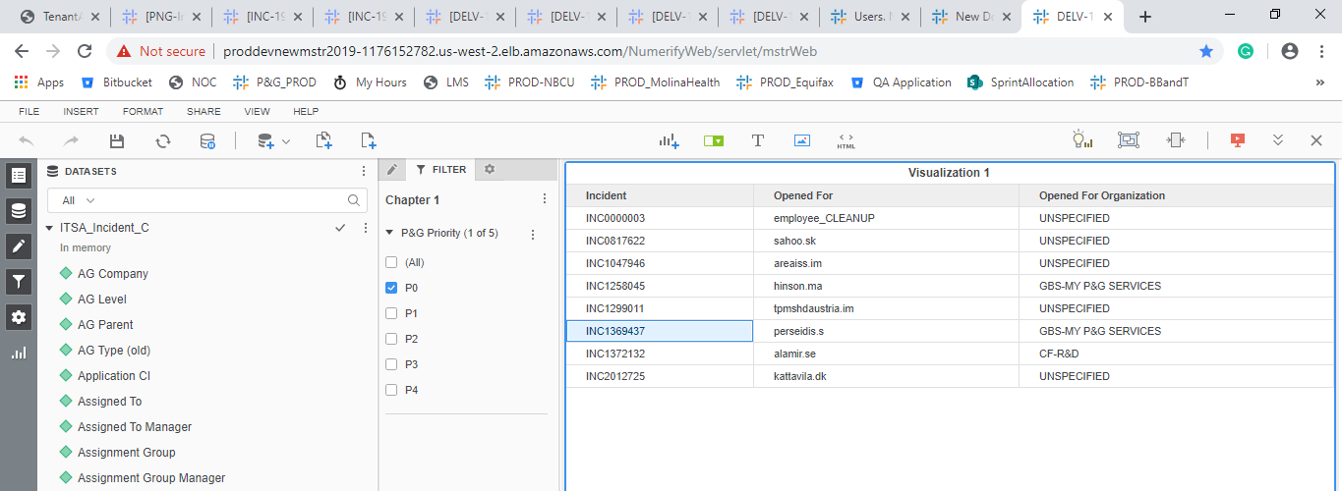

DELV-19002

 |  | Blending Between Incident and user cubes. We need to Manully link the user(Org) and Incident_c (Opened for Org).

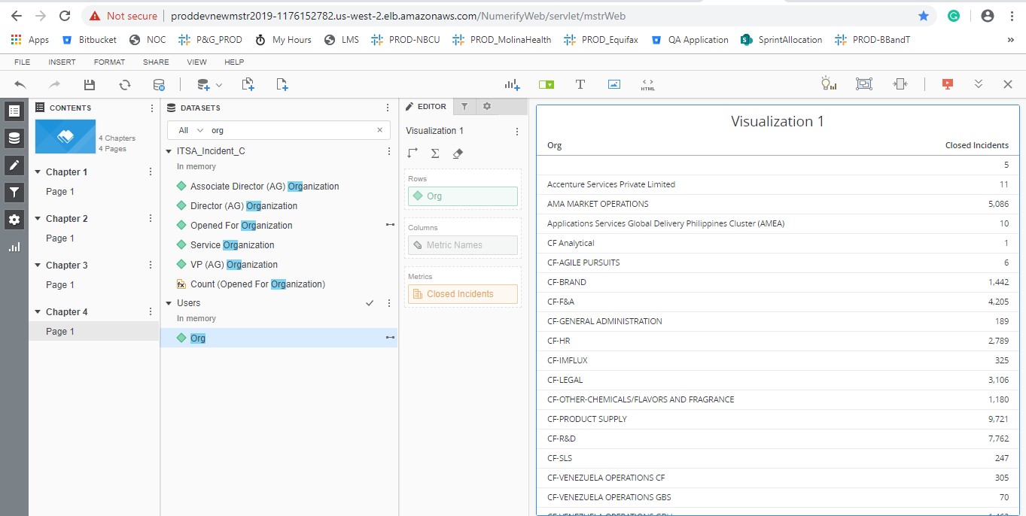

DELV-18954

 |  | Observations | Blank From the source itself
 | Select a.number, a.u_opened_for,b.sys_id,b.name,b.u_organization FROM png_mdsdb.incident_final a LEFT JOIN png_mdsdb.sys_user_final b ON a.u_opened_for=b.sys_id AND a.sourceinstance=b.sourceinstance Where a.number IN ('INC0162529','INC0496610','INC0147097') AND a.cdctype='X';

